Descriptive Statistics
Descriptive Statistics | Data -----> | Grades | Part 2: Numerical Descriptive Statstics Using Excel "Data Analysis" | Using Data Analysis Add-in:
Part 1: Numerical Descriptive Statstics Using Cell Formulas |  | 97 | If you have not activated the "Data Analysis ToolPak" of Excel yet, follow the following | Under the "Data" menu, click into the "Data Analysis" icon | Column1
To Calculate the mean, enter: |  | 97 | steps to activate it: | on the top right of the workbook.
Mean: = AVERAGE(data range) | 78.48 | 96 | 1. Click into the "File" menu on the top left corner of the workbook | Select "Descriptive Statistics" from the list and click into "OK". | Mean | 78.48
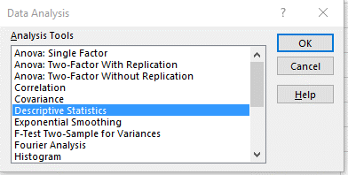
The "data range" in this example consists of |  | 91 | 2. Select "Options" |  | Standard Error | 2.1526108179
cell D2 through D26; that is, D2:D26 |  | 90 | 3. In the Excel Options dialog box, click into "Add-ins" |  | Median | 76
The data range can be entered either by typing or by highlighting cells |  | 87 | 4. Clicl into "Go..." at the bottom of the Add-ins dialog box |  | Mode | 75
D2 through D26 with the mouse. |  | 85 | 5. Check the "Analysis ToolPak" option, and click into "OK" |  | Standard Deviation | 10.763054089
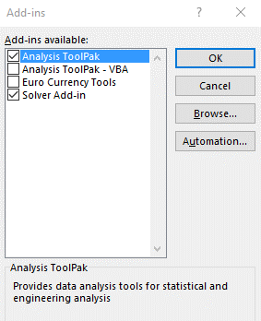
 |  | 83 |  |  | Sample Variance | 115.84333333
Median: = MEDIAN(data range) | 76 | 83 |  |  | Kurtosis | -0.50672507943
Mode: = MODE(data range) | 75 | 82 |  |  | Skewness | 0.080046949218
Sample Variance: = VAR.S(data range) | 115.84 | 80 |  |  | Range | 39
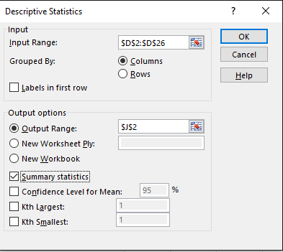
Population Variance: = VAR.P(data range) | 111.21 | 77 |  |  | Minimum | 58
Sample Standard deviation: = STDEV.S(data range) | 10.76 | 76 |  |  | Maximum | 97
Population Standard deviation: = STDEV.P(data range) | 10.55 | 76 |  |  | Sum | 1962
Largest Measurement: = MAX(data range) | 97 | 75 |  |  | Count | 25
Smallest Measurement: = MIN(data range) | 58 | 75
Range: = MAX(data range) - MIN(data range) | 39 | 75
Number of Measurements: = COUNT(data range) | 25 | 73
Quartile 1 (Q1) : = QUARTILE(data range , 1) | 73 | 70
Quartile 2 (Q2) : = QUARTILE(data range , 2) | 76 | 70
Quartile 3 (Q3) : = QUARTILE(data range , 3) | 85 | 66 | After activating the Data Analysis ToolPak, this option will be available under the
Skewness : = SKEW(data range) | 0.08 | 64 | "Data" menu on the top right of the Excel workbook
Interquartile Range IQR = Q3-Q1 : | 12 | 58
Outlier Detection: A measurement is an outlier if it is either |  | 75
smaller than Q1 - 1.5 * IQR, or larger than Q3 + 1.5 * IQR |  | 61
Q1 - 1.5 * IQR | 55
Q3 + 1.5 * IQR | 103

